Sheet1
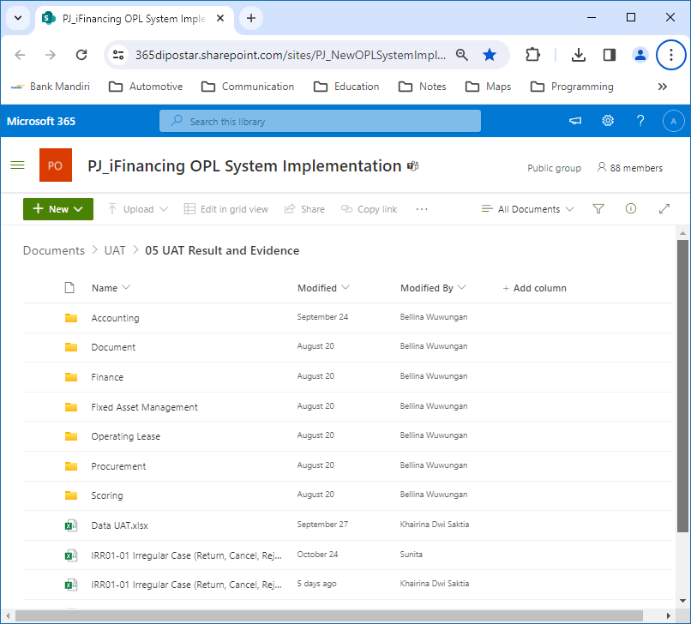
https://365dipostar.sharepoint.com/sites/PJ_NewOPLSystemImplementation/Shared%20Documents/Forms/AllItems.aspx?id=%2Fsites%2FPJ%5FNewOPLSystemImplementation%2FShared%20Documents%2FUAT%2F05%20UAT%20Result%20and%20Evidence&p=true&fromShare=true&ga=1

